Indices

 | Iraq Stock Exchange
 | Bulletin No (181)

 | ISX Trading Indices of Sunday 12/10/2025

 | Traded Volume and OTC |  | 703,008,951 |  | Traded Value and OTC |  | 896,980,668 |  | Traders | 803

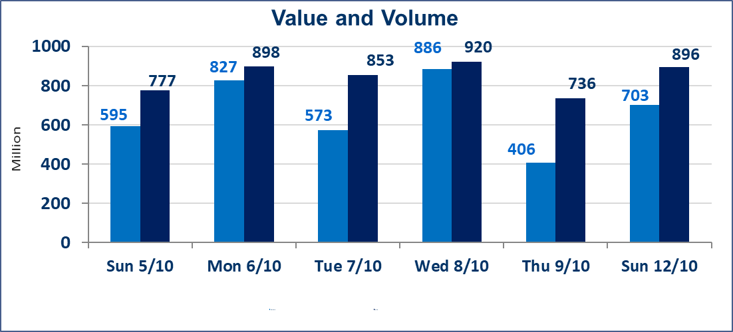
 | ISX Index 60 |  |  | 952.02 | ISX Index 15 |  |  | 1124.25
 | Previous ISX Index60 |  |  | 952.88 | Previous ISX Index15 |  |  | 1122.35
 | Change % |  |  | -0.09 | Change % |  |  | 0.17
 | Change |  |  | -0.86 | Change |  |  | 1.90

 | Listed Companies | 104 | OTC | 11 | Non Traded listed | 47 | OTC | 9
 | Traded Listed Companies | 40 | OTC | 1 | Higher Companies |  |  | 9
 | GAM Companies |  |  | 7 | Lower Companies |  |  | 16
 | Suspended Companies |  |  | 10
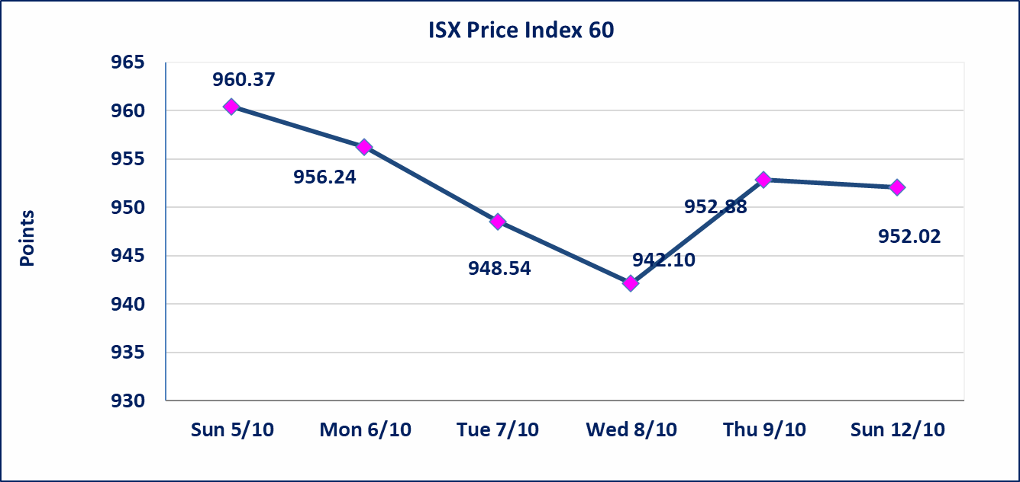
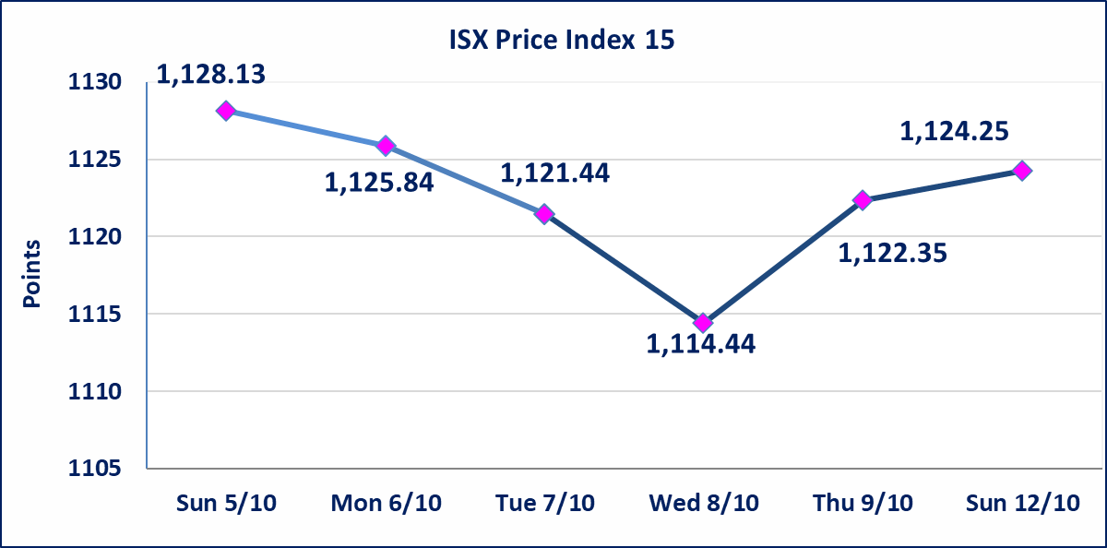

Al-Alwiya P.O . 3607 Mobile: 07711211522 - 07270094594 - 07834000034 E-mail: info-isx@isx-iq.net Web site:www.isx-iq.net

Top 5
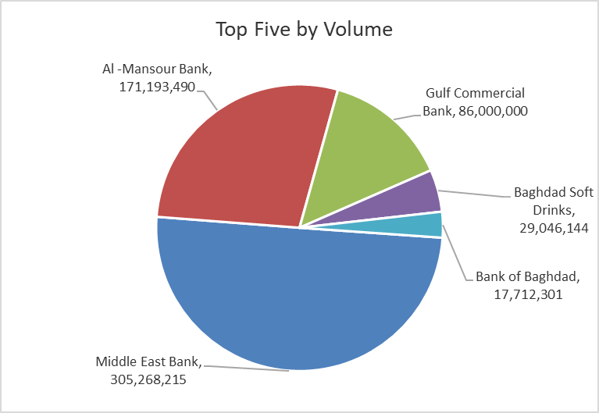
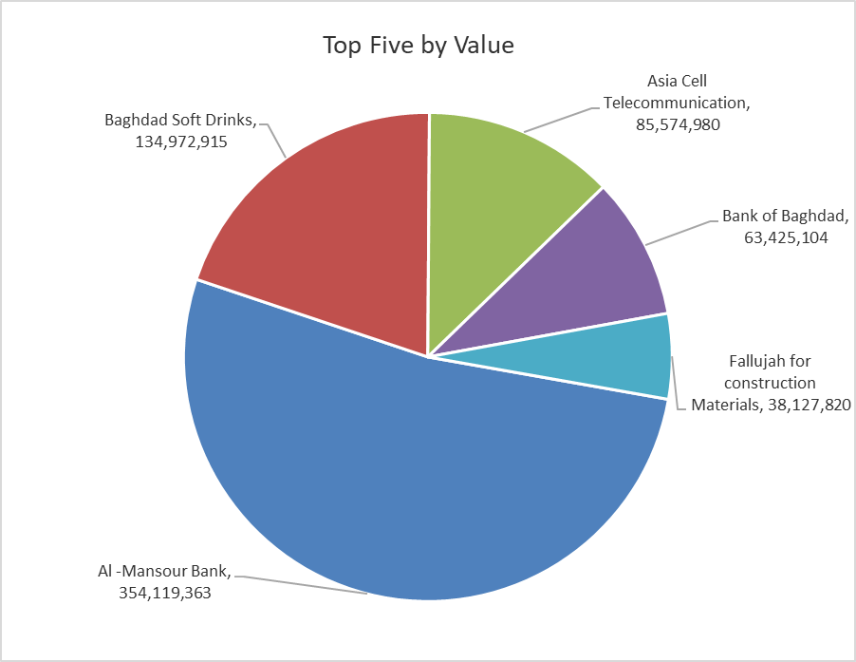
ISX top ganing and losing companies
Sunday 12/10/2025
Gainers |  |  |  | Losers
Company Name | Closing Price | Change (%) | Traded Volume | Company Name | Closing Price | Change (%) | Traded Volume
Dar Al-Salam for Insurance | 0.750 | 7.14 | 100,000 | Al-Ameen Estate Investment | 1.470 | -13.02 | 2,146,594
Modern Construction Materials | 0.490 | 4.26 | 100,000 | Palestine Hotel | 27.440 | -4.99 | 32,643
Ready Made Clothes | 2.580 | 3.20 | 2,525,061 | Economy Bank | 0.240 | -4.00 | 10,000,000
Baghdad Hotel | 12.000 | 2.56 | 50,200 | Al-Hilal Industries | 2.080 | -3.70 | 5,000
National Chemical &Plastic | 1.890 | 2.16 | 1,666,000 | Credit Bank Of Iraq | 0.700 | -2.78 | 3,000,000

The most active companies in term of traded volume and value

Traded Volume |  |  |  | Traded Value
Company Name | Closing Price | Change (%) | Traded Volume | Company Name | Closing Price | Change (%) | Traded Value
Middle East Bank | 0.070 | 0.00 | 305,268,215 | Al -Mansour Bank | 2.070 | 0.49 | 354,119,363
Al -Mansour Bank | 2.070 | 0.49 | 171,193,490 | Baghdad Soft Drinks | 4.620 | -0.43 | 134,972,915
Gulf Commercial Bank | 0.300 | 0.00 | 86,000,000 | Asia Cell Telecommunication | 11.970 | -0.17 | 85,574,980
Baghdad Soft Drinks | 4.620 | -0.43 | 29,046,144 | Bank of Baghdad | 3.570 | -0.28 | 63,425,104
Bank of Baghdad | 3.570 | -0.28 | 17,712,301 | Fallujah for construction Materials | 3.680 | -1.34 | 38,127,820

Non OTC

Iraq Stock Exchange
Non Iraqis' Bulletin Sunday Oct 12 2025
Regular Market
Non Iraqi Trading of OTC (Sell)
Company Names | Code | No.of trades | Traded Shares | Trading Volume
Banks Sector
Warka Bank for inv.&Finance | BWAI | 1 | 2,000,000 | 200,000
Total Bank sector |  | 1 | 2,000,000 | 200,000
Grand Total |  | 1 | 2000000 | 200000

